Manual Creation
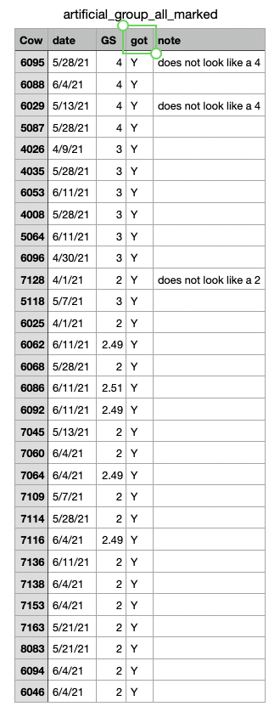
cow_L | cow_R
6025 | 6088 | GS 2 vs GS 4 (diff = 2)
6029 | 7138 | GS 4 vs GS 2 (diff = 2)
5087 | 6068 | GS 4 vs GS 2 (diff = 2)
7045 | 4026 | GS 2 vs GS 3 (diff = 1)
6096 | 7136 | GS 3 vs GS 2 (diff = 1)
4035 | 7060 | GS 3 vs GS 2 (diff = 1)
6053 | 6088 | GS 3 vs GS 4 (diff = 1)
5087 | 4008 | GS 4 vs GS 3 (diff = 1)
7109 | 6062 | GS 2 vs GS 2.49 (diff = 0)
6092 | 7114 | GS 2.49 vs GS 2 (diff = 0)
6086 | 5064 | GS 2.51 vs GS 3 (diff = 0)
8083 | 8083 | Negative attention check (same cow)

